Overview
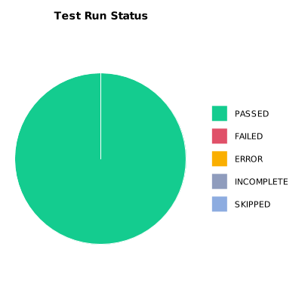
EXECUTION SUMMARY
Test Run ID | 744
Status | PASSED
Organization | FIT@HCMUS
Team | First Team
Project | First Project
By | Nguyen Trong Thuan
Start Time | 01/07/2024 09:23:41 +00:00
Duration | 0:03:09.183

TEST RESULTS
Total test results | 15
Passed | 15
Failed | 0
Error | 0
Incomplete | 0
Skipped | 0

